
 |  |  |  | CODE: |  |  | pl1041 af SN from 00E200
DESCRIPTION: |  | TANK-ACCESSORIES |  | TANK | RESERVOIR | TANQUE | SERB.: ACCESSORI
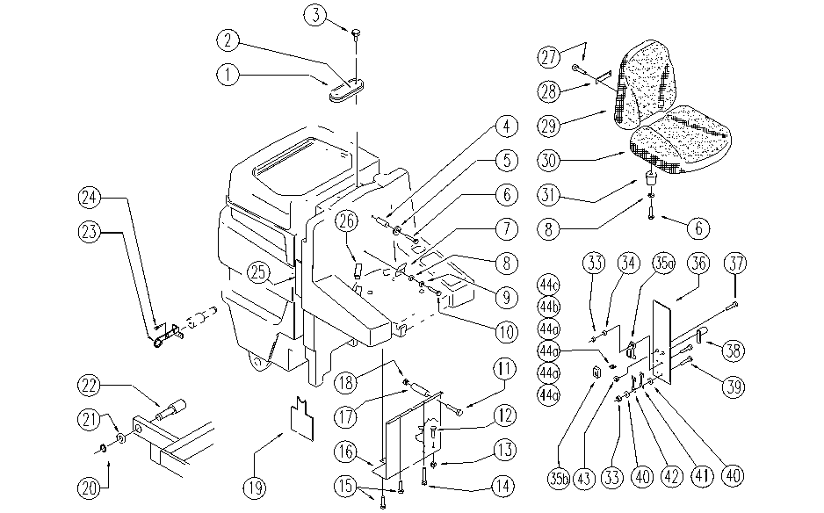

REF. | CODE | DESCRIPTION | QT
1 | SL03275 | GASKET | 1
2 | E86974 | Sifter Room Cover | 1
3 | SL20055 | HANDWHEEL | 2
4 | SL07293 | SPACER | 2
5 | E86704 | Washer D 6-18 | 2
6 | E86708 | Screw TE M 6-35 | 6
7 | SL09540 | PLATE | 1
8 | E86707 | Cham Washer D10 | 4
9 | E86700 | Cham Washer D6 | 1
10 | SL04180 | SCREW | 1
11 | SL04196 | SCREW | 1
12 | SL04252 | SCREW | 1
13 | E86853 | Nyloc Hex Nut, M8 | 1
14 | SL04223 | SCREW | 2
15 | E89276 | Screw | 7
16 | SL09694 | PLATE | 1
17 | SL07337 | SPACER | 1
18 | E86552 | nut | 1
19 | SL17499-2 | PANEL | 1
20 | SL11108 | RING | 2
21 | SL06080 | WASHER | 2
22 | SL07301 | PIN | 2
23 | SL09962 | SUPPORT | 1
24 | SL04294 | SCREW | 1
25 | SL17395 | REINFORCEMENT | 1
26 | SL14199 | TERMINAL | 2
27 | E86901 | AS30/36 Seat Back Screw | 1
28 | E86902 | Seat Anchorage Plate | 1
29 | SL14191-PL | SEAT BACK | 1
30 | SL14190-PL | SEAT | 1
31 | SL03103 | PLUG/STOPPER | 4
33 | SL05012 | NUT | 4
34 | E86750 | Washer D5 | 2
36 | SL09901 | LID | 1
37 | SL04161 | SCREW | 1
38 | SL20045 | CATCH/LOCK | 1
39 | E89469 | M4 - 15 Screw | 4
40 | E89118 | Washer | 4
41 | E86836 | Fuse 100 amp | 1
42 | E86643 | Fuse 75 amp | 1
43 | E86875 | Self-Locking Nut | 1
35a | SL23894-1 | FUSE-HOLDERS | 1
35b | SL23893-2 | LID | 1
44a | E86825 | Fuse 5 amp | 4
44b | E86827 | Fuse 25 amp | 1
44c | E86826 | Fuse 15 amp | 1

